Chart05_ReactorsInOperationByAg
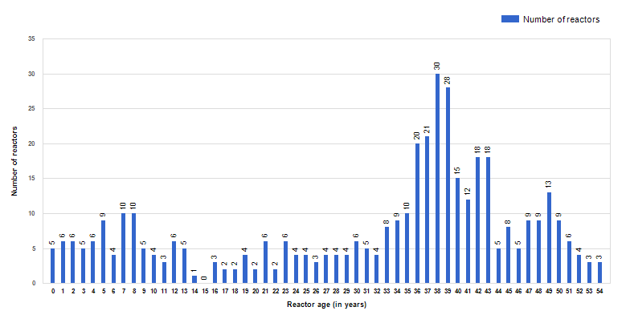
Figure 5. Number of operational reactors by age (as of 31 Dec. 2023)

